Results
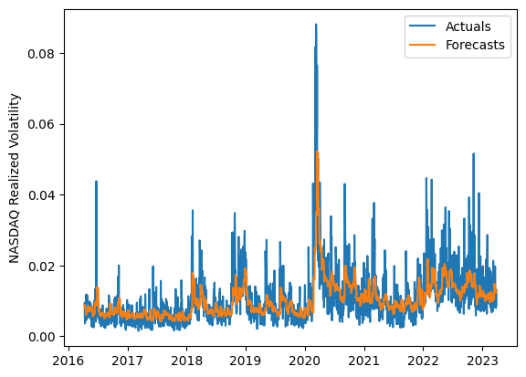
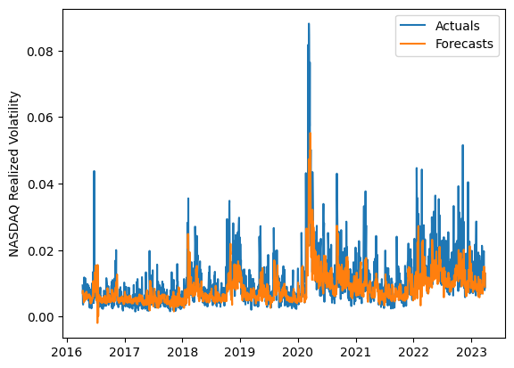
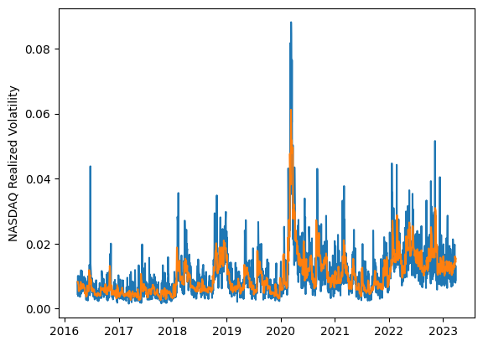
 | LSTM |  |  | TCN |  |  | NBEATSx |  |  |  |  | LSTM |  |  | TCN |  |  | NBEATSx
 | Accuracy | RMSE | Qlike | Accuracy | RMSE | Qlike | Accuracy | RMSE | Qlike |  |  | Accuracy | RMSE | Qlike | Accuracy | RMSE | Qlike | Accuracy | RMSE | Qlike
Trial 1 | 56.07% | 0.38% | 12.60% | 60.70% | 0.43% | 12.45% | 64.58% | 0.35% | 9.62% |  | Mean | 57.68% | 0.386% | 0.123 | 59.77% | 0.431% | 0.133 | 63.96% | 0.352% | 0.095
Trial 2 | 65.20% | 0.38% | 10.18% | 58.42% | 0.45% | 13.75% | 64.15% | 0.35% | 9.07% |  | Standard Deviation | 4.87% | 0.012% | 0.016 | 1.82% | 0.030% | 0.017 | 0.45% | 0.002% | 0.003
Trial 3 | 54.17% | 0.39% | 13.24% | 60.81% | 0.43% | 12.57% | 63.56% | 0.35% | 9.24% |  | 95% CI upper bound | 67.43% | 0.410% | 0.154 | 63.40% | 0.491% | 0.167 | 64.85% | 0.357% | 0.100
Trial 4 | 53.81% | 0.40% | 13.35% | 59.73% | 0.41% | 12.38% | 64.27% | 0.35% | 9.71% |  | 95% CI lower bound | 47.94% | 0.362% | 0.091 | 56.13% | 0.371% | 0.098 | 63.06% | 0.347% | 0.090
Trial 5 | 49.14% | 0.41% | 15.23% | 60.33% | 0.42% | 12.59% | 64.28% | 0.35% | 9.43% |  | 99.7% CI upper bound | 72.30% | 0.422% | 0.170 | 65.22% | 0.521% | 0.184 | 65.30% | 0.359% | 0.103
Trial 6 | 49.09% | 0.40% | 15.58% | 61.52% | 0.40% | 11.74% | 63.02% | 0.35% | 9.18% |  | 99.7% CI lower bound | 43.07% | 0.350% | 0.076 | 54.32% | 0.341% | 0.081 | 62.62% | 0.344% | 0.087
Trial 7 | 54.53% | 0.39% | 13.10% | 58.14% | 0.50% | 17.86% | 64.26% | 0.35% | 9.33%
Trial 8 | 62.67% | 0.37% | 10.48% | 58.24% | 0.48% | 15.78% | 63.65% | 0.36% | 9.55%
Trial 9 | 59.86% | 0.38% | 11.48% | 55.64% | 0.42% | 13.69% | 64.63% | 0.35% | 9.84%
Trial 10 | 59.99% | 0.37% | 11.21% | 60.21% | 0.42% | 12.83% | 63.94% | 0.35% | 9.19%
Trial 11 | 64.27% | 0.39% | 11.52% | 57.97% | 0.43% | 13.45% | 63.55% | 0.35% | 9.64%
Trial 12 | 59.98% | 0.38% | 11.34% | 59.99% | 0.45% | 14.30% | 64.31% | 0.35% | 9.65%
Trial 13 | 59.69% | 0.37% | 11.36% | 63.08% | 0.40% | 10.94% | 63.79% | 0.36% | 9.94%
Trial 14 | 58.91% | 0.38% | 11.60% | 60.64% | 0.40% | 12.12% | 63.61% | 0.35% | 9.43%
Trial 15 | 57.89% | 0.38% | 11.99% | 61.13% | 0.41% | 12.31% | 63.74% | 0.35% | 9.67%

 | LSTM (best trial) |  |  |  |  |  |  |  |  | TCN (best trial) |  |  |  |  |  |  |  |  | NBEATSx (best trial)

